DATA VISUALIZATION
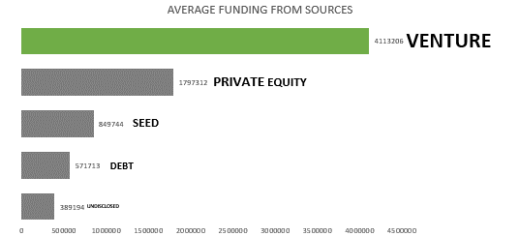
AVERAGE FUNDING FROM SOURCES
 | Average of undisclosed | Average of seed | Average of debt_financing | Average of private_equity | Average of venture
Total | 389194 | 571713 | 849744 | 1797312 | 4113206

ANALYSIS:
THE TOP SOURCE OF FUNDING WHEN VENTURING OUT TO FINANCIAL SERVICE IS VENTURE. THE SECOND IS PRIVATE EQUITY FUNDING.
THE THIRD HIGHEST IS SEED FUNDING.
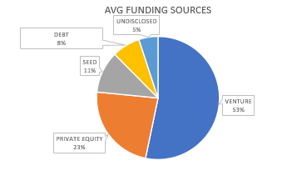

ANALYSIS:
BASED ON THE PIE CHART ABOVE, VENTURE MAKE UP THE 53 PERCENT OF THE LARGEST AVG FUNDING. NEXT IS PRIVATE EQUITY MAKE UP THE 23 PERCENT OF ALL AVG FUNDING .
THE VENTURE AND PRIVATE EQUITY PRIVATE FUNDING MAKE UP A TOTAL OF 76 % OF THE TOTAL AVERAGE FUNDING!!

ACTIONABLE INSIGHTS

1. AS A COMPANY SEEKING FUNDS, IT IS AN EFFICIENT MOVE FOR THE COMPANY TO FOCUS THEIR EFFORTS ON FINDING FUNDS THROUGH VENTURE AND PRIVATE-EQUITY.

PIVOT TABLE
Average of undisclosed | Average of seed | Average of debt_financing | Average of private_equity | Average of venture
389194 | 571713 | 849744 | 1797312 | 4113206
AVERAGE FUNDING FROM SOURCES

 | AVG FUNDING SOURCES
VENTURE | 4113206
PRIVATE EQUITY | 1797312
SEED | 849744
DEBT | 571713
UNDISCLOSED | 389194

SQL QUERY AND Q&A
CLICK HERE TO ACCESS THE SQL QUERY

QUESTION NUMBER 1

SQL CODE:

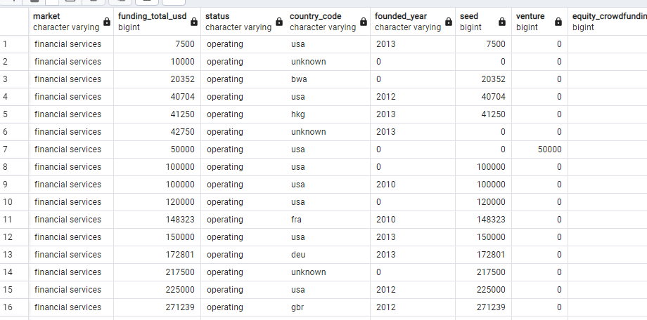
OUTPUT

QUESTION NUMBER 2

SQL CODE:

OUTPUT

QUESTION NUMBER 3

SQL CODE:

OUTPUT

QUESTION NUMBER 4

SQL CODE:

OUTPUT

